Water Baseline
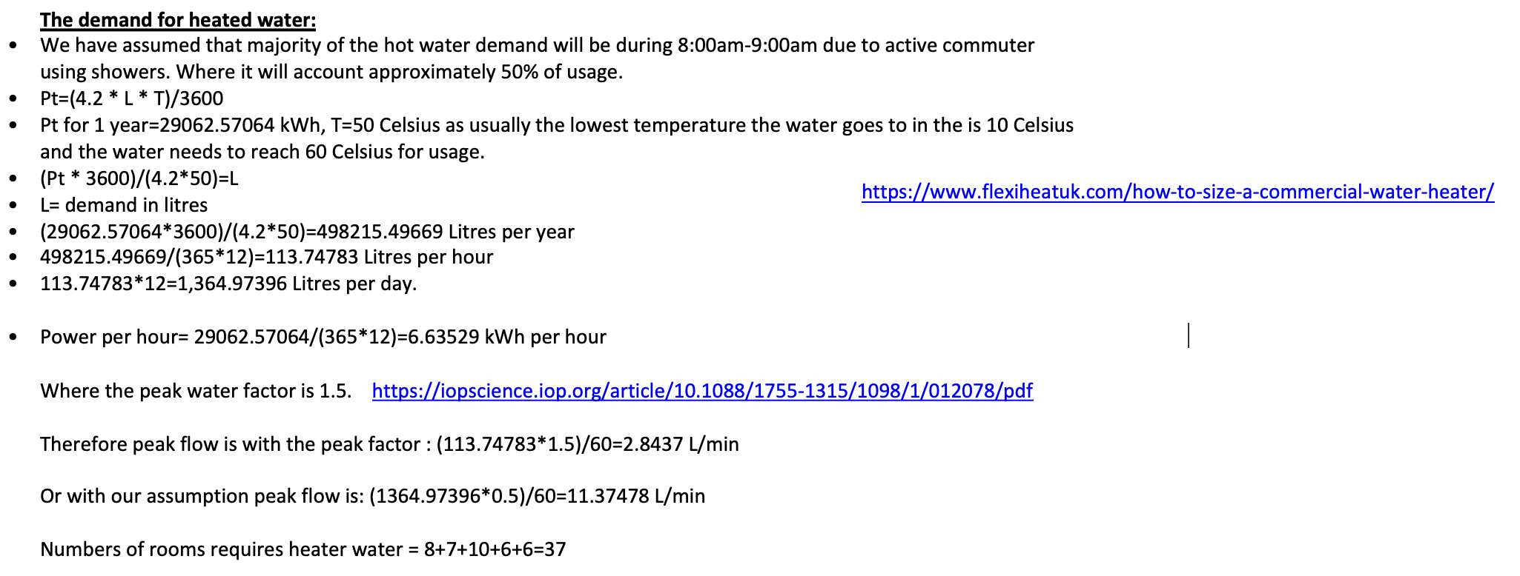
WATER DEMAND BASELINE

WATER CONSUMPTION CALCULATIONS: |  |  |  |  |  | TOILET DEMAND

ACTIVITY | Rate | Frequency | Time | Person | Litres/day | MALE USE | Rate | Frequency | person | Litres/day | Baseline Demand | Litres/day
Toilet Hand washing | 4L/min | 4 | 0.5 | 2000 | 16000 | Toilet flush | 9 Litres | 2 | 1000 | 18000 | Total Water Demand | 81000
Café Kitchen sink | 6L/min |  | 150 |  | 900 | Urinals | 197m3/year |  |  | 500 | All Greywater Use | 23700
Kitchen Dishwasher | 10L/cycle | 150 |  |  | 1500 | FEMALE USE |  |  |  |  | Toilet Water Use | 54500
Wet Lab water use | 200L/day |  |  |  | 200 | Toilet flush | 9 Litres | 4 | 1000 | 36000
Cleaner use | 100L/day |  |  |  | 100 | TOTAL |  |  |  | 54500
Showers | 10L/min | 1 | 5 | 100 | 5000
Drink water Station | 2L/day/prs |  |  | 1400 | 2800
TOTAL |  |  |  |  | 26500

 |  |  |  |  |  |  | User Types
COST CALCULATIONS: |  |  |  |  |  |  | Researchers | Office/Working staff
Business Water Rate Northumbria water (Wholesale charges 25/26): |  |  |  |  |  |  | Lab staff | Receptionists
Water Supply (per m3) | £1.6336 |  |  |  |  |  | Cleaners | Caretakers
Sewage Costs (per m3) | £1.8797 | Business Water Rates, Prices and Tariffs 2025 |  |  |  |  | Students | Other Staff
Utility | Daily Use | Yearly Water | Yearly Sewage | Total cost/year |  |  | Visitor
Toilet flush | 54500 | £32,496.39 | £37,391.93 | £69,888.32
Toilet hand basins | 16000 | £9,540.22 | £10,977.45 | £20,517.67
Showers | 5000 | £2,981.32 | £3,430.45 | £6,411.77
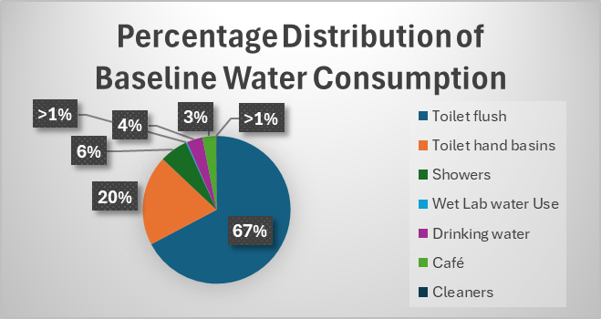
Wet Lab water Use | 200 | £119.25 | £137.22 | £256.47
Drinking water | 2800 | £1,669.54 | £1,921.05 | £3,590.59
Café | 2400 | £1,431.03 | £1,646.62 | £3,077.65
Cleaners | 100 | £59.63 | £68.61 | £128.24
TOTAL: | 81000 | £48,297.38 | £55,573.33 | £103,870.71

Hot Water Demand:

Energy Baseline
 | Area | Volume | Maximum Occupancy | Computers | Cookers/Ovens/Stoves | 24hrs and 365 days basis
 |  |  |  |  |  | Total Lighting | Total cookers/Ovens/Stoves | Total Water Heating | Total Computers | Total Heating | Total ventilation | Total Showers | Total Cooling
Lifts |  |  |  |  |  | 813751.97787 | 31966 | 58125.141276 | 309444.2 | 155000.37674 | 232500.56511 |  | 116250.28255

 |  |  |  |  |  | Total
Ground Floor |  |  |  |  |  | 1717038.5435

Café | 180 | 810 | 90 |  |  | 12hrs and 365 days basis
Library | 210 | 945 | 70 | 21717.5 |  | Total Lighting | Total cookers/Ovens/Stoves | Total Water Heating | Total Computers | Total Heating | Total ventilation | Total Showers | Total Cooling
Events | 98 | 441 | 200 |  |  | 406875.98893 | 31966 | 29062.570638 | 309444.2 | 77500.188369 | 116250.28255 |  | 58125.141276
Kitchen | 28 | 126 | 4 (Staff) |  | 30360
Servery | 10 | 45 | 2 (Staff) |  |  | Total
Reception Desk | 8 | 36 | 4 (Staff) | 1720.4 |  | 1029224.3718
Student Project/Art Display | 98 | 441 | 200
Baseline energy consumption
Lighting | 406875.98893
Cooking Equipment | 31966
Water Heating | 29062.570638
Computers | 309444.2
Heating | 77500.188369
Ventilation | 116250.28255
Cooling | 58125.141276
Percentage Distribution of Baseline Energy Consumption
Lighting | 406875.98893
Cooking Equipment | 31966
Water Heating | 29062.570638
Computers | 309444.2
Heating | 77500.188369
Ventilation | 116250.28255
Cooling | 58125.141276
Studio | 30 | 135 | 10

First Floor

Café | 70 | 315 | 35
Study Spaces | 300 | 1350 | 150 | 46537.5
Seminar Rooms | 98 | 441 | 60
Computer Cluster | 112 | 504 | 65 | 40332.5
Lecture Theatre | 98 | 441 | 100
Study Rooms | 70 | 315 | 32
Student Common Area | 84 | 378 | 43
Staff Room | 35 | 157.5 | 18

Second Floor

Office Space | 936 | 4212 | 160 | 68816 |  | Assumptions:
Kitchen/Diner | 49 | 220.5 | 40 |  | 803 | 1. 40% of max capacity of the library will be computers.
Meeting Rooms | 95 | 427.5 | 50 |  |  | 2. 50% of max capacity of the study spaces will be computers.
Reception Desk | 16 | 72 | 8 | 3440.8 |  | 3. 25% of max capacity of the R&D dry lab will be computers.
 |  |  |  |  |  | 4. The kitchen/diner will have 2 microwave and 1 fridge.
 |  |  |  |  |  | 5. The café is opened from 8am-4pm-- 8hrs.
Third Floor |  |  |  |  |  | 6. Heating will be on from mid sept to mid may.
 |  |  |  |  |  | 7. Cooling will be on from mid may to mid sept.
Office Space | 936 | 4212 | 160 | 68816
Kitchen/Diner | 49 | 220.5 | 40 |  | 803 | The numbers are based of these:
Meeting Rooms | 95 | 427.5 | 50 |  |  | Kitchen Appliances:
Reception Desk | 16 | 72 | 8 | 3440.8

Fourth Floor

R&D Wet Lab | 300 | 1350 | 60
Private Offices | 84 | 378 | 14 | 6021.4
Meeting Pods | 84 | 378 | 45
Showcase/Demo Room | 49 | 220.5 | 33 |  |  | Ccomputers:
Chemical Store/Prep | 35 | 157.5 | 6
Data Analysis Cluster | 42 | 189 | 42 | 18064.2
Project Store | 35 | 157.5 | 6
Seminar Room | 49 | 220.5 | 35
Lecture Theatre | 300 | 1350 | 150
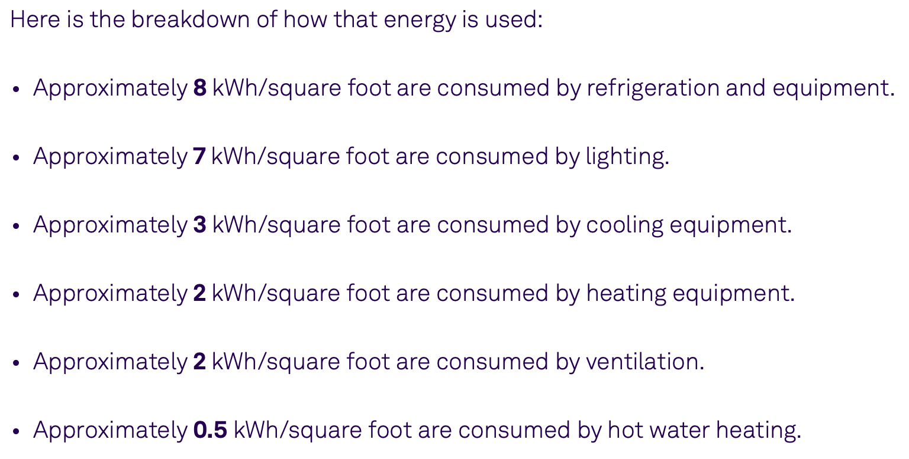

Fifth Floor

R&D Dry Lab | 300 | 1350 | 60 | 6451.5
Private Offices | 84 | 378 | 14 | 6021.4
Meeting Pods | 84 | 378 | 45
Showcase/Demo Room | 49 | 220.5 | 33
Equipment Store | 35 | 157.5 | 6
Data Analysis Cluster | 42 | 189 | 42 | 18064.2
Server Room | 35 | 157.5 | 6
Seminar Room | 49 | 220.5 | 35
Lecture Theatre | 300 | 1350 | 150

Totals |  |  |  | 309444.2 | 31966

Energy Intervention
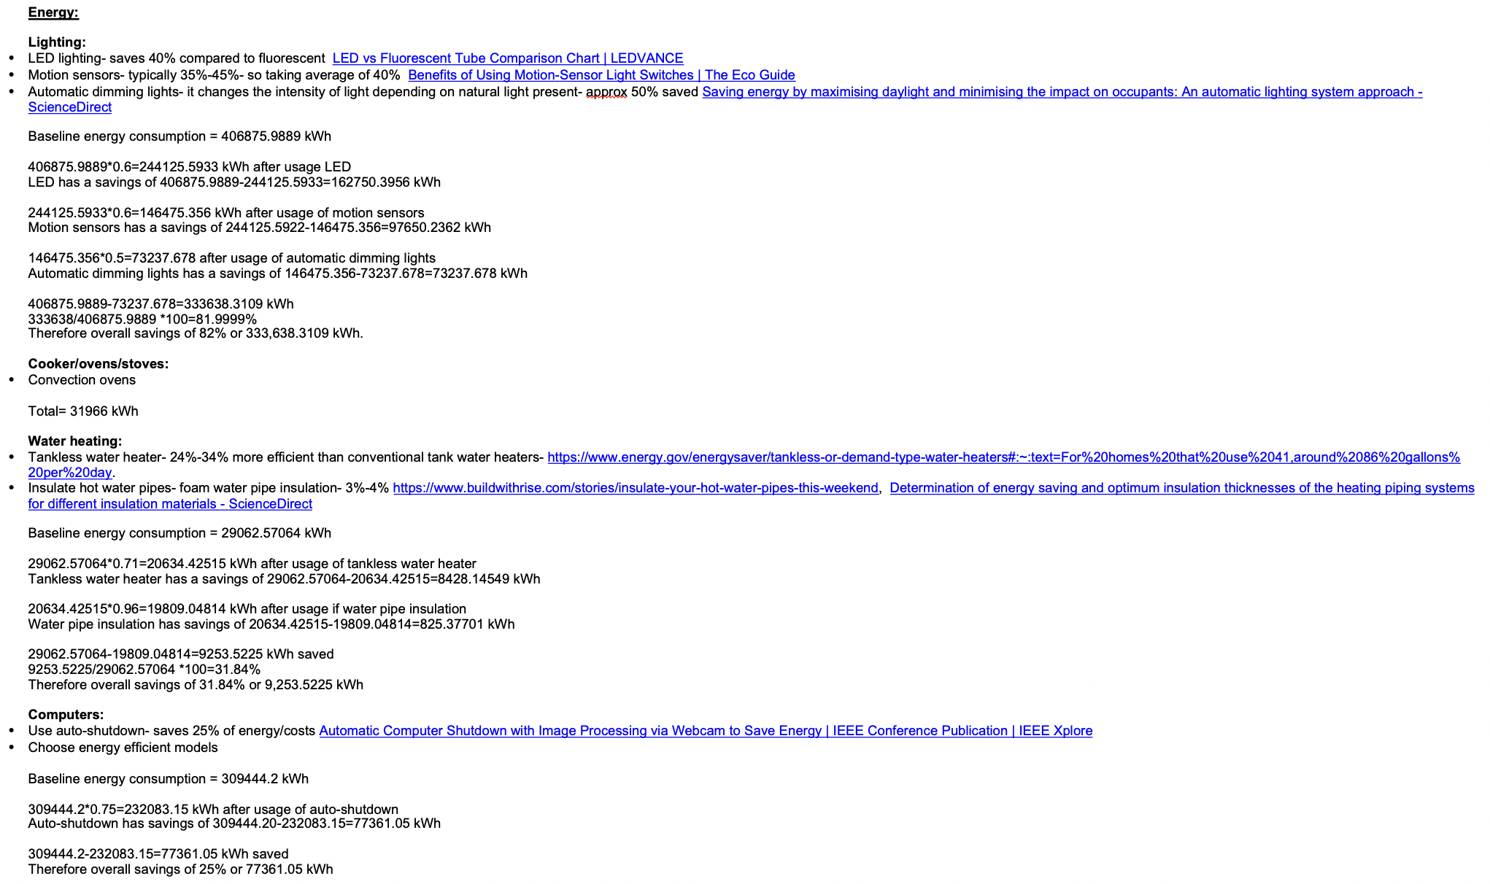

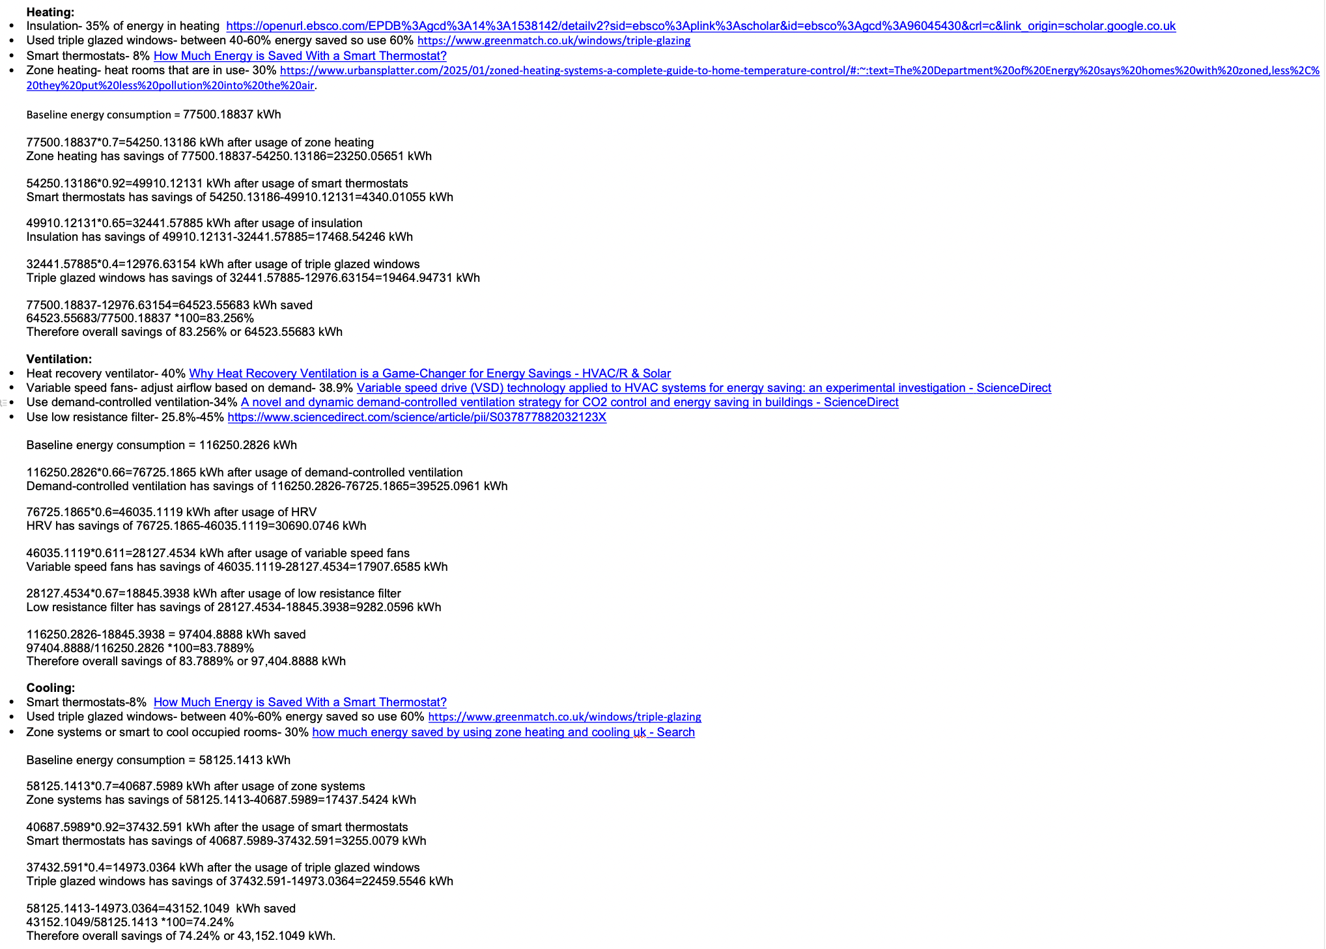

Costs
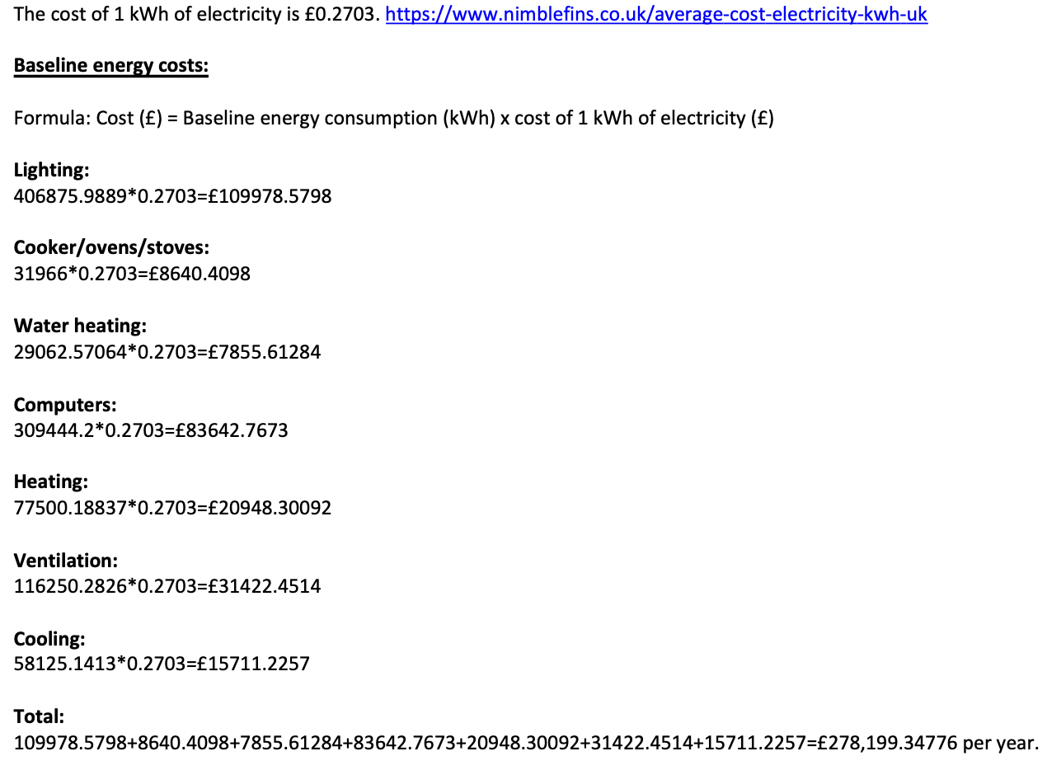
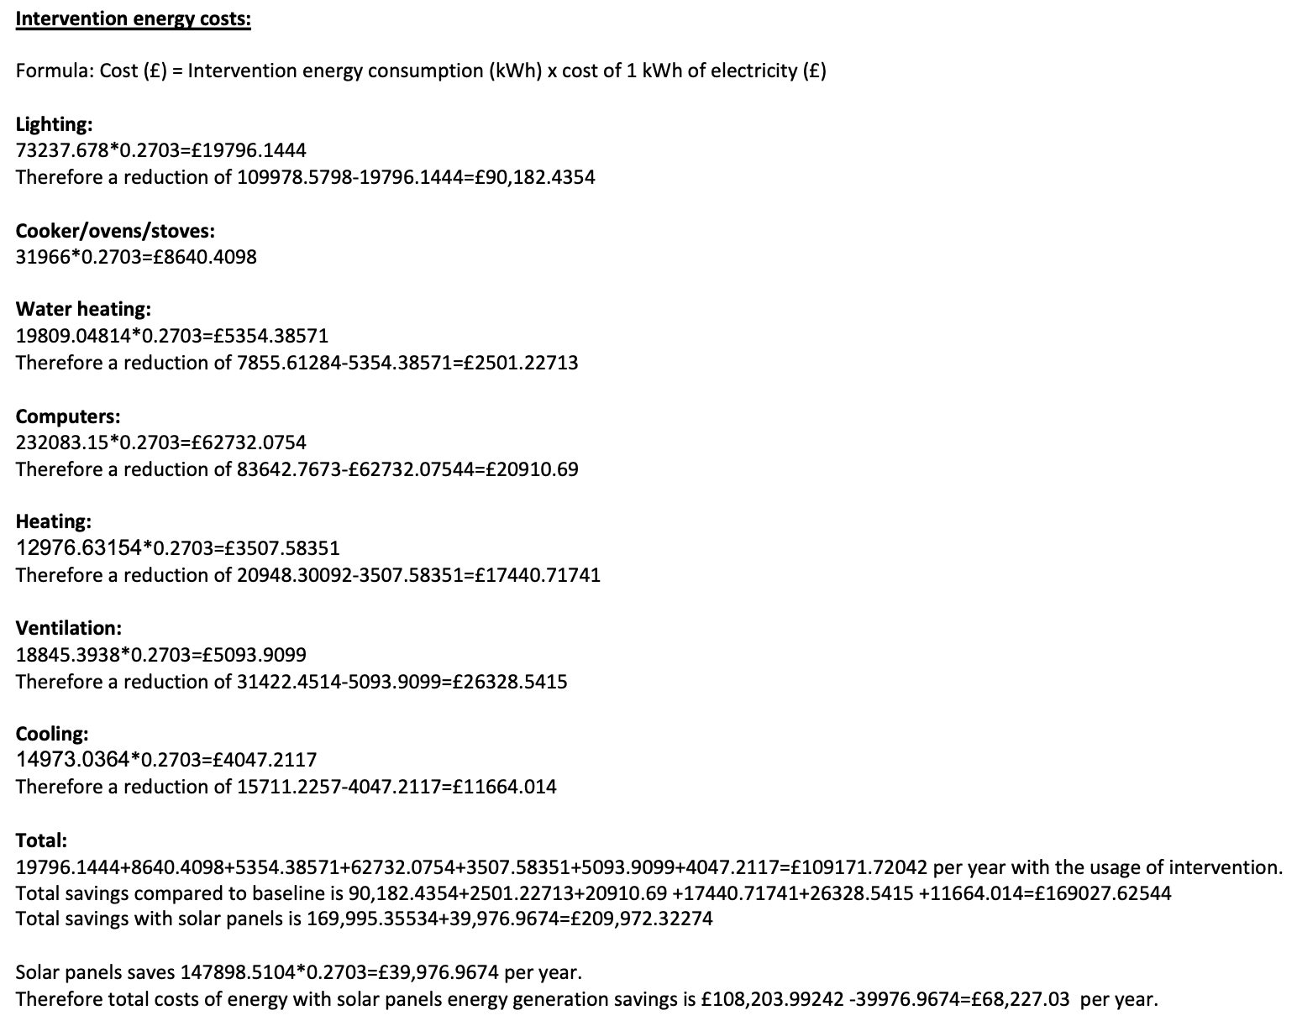

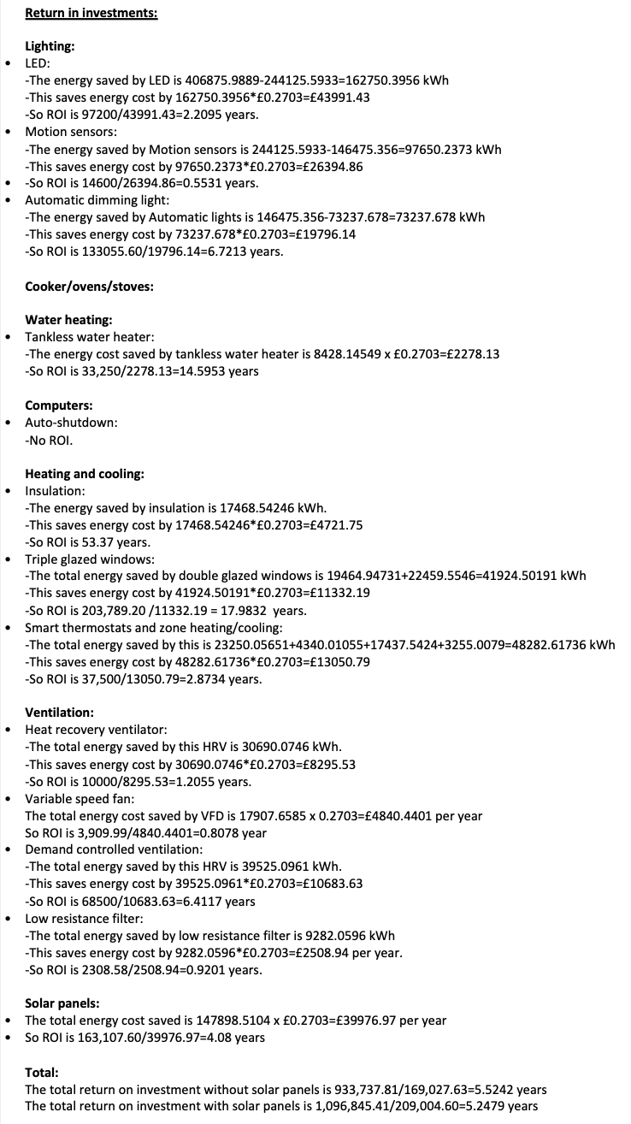

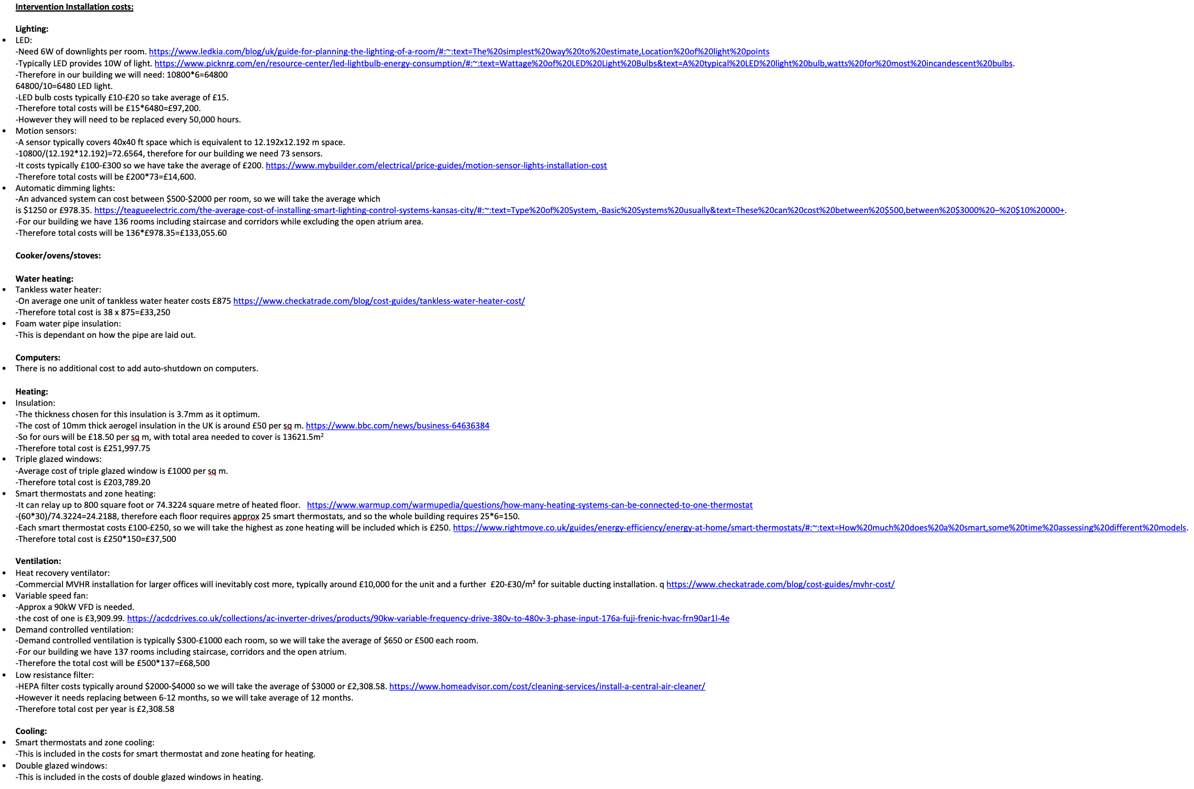

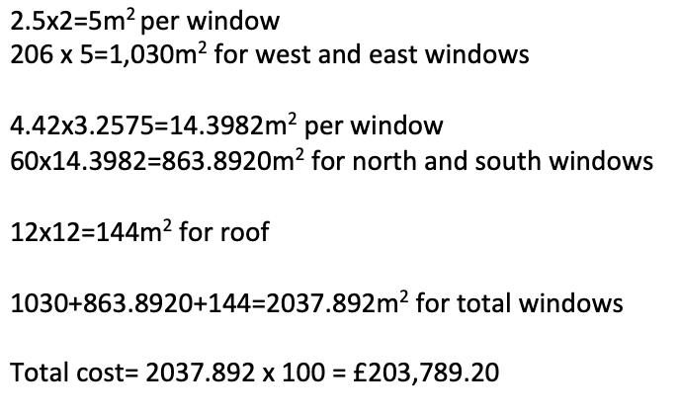

Solar Panels
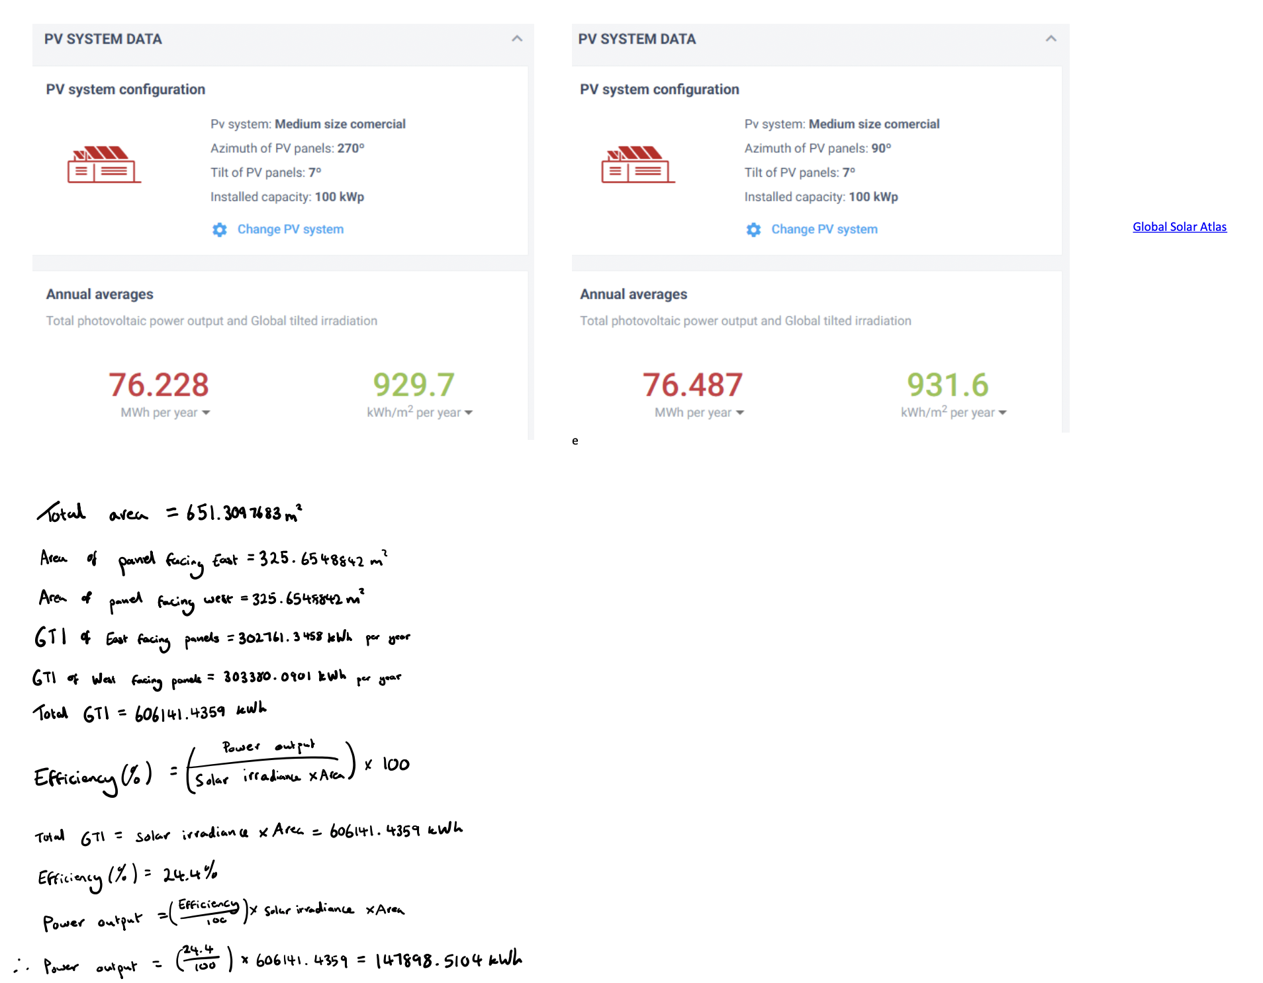
Area for solar panels and sizing:

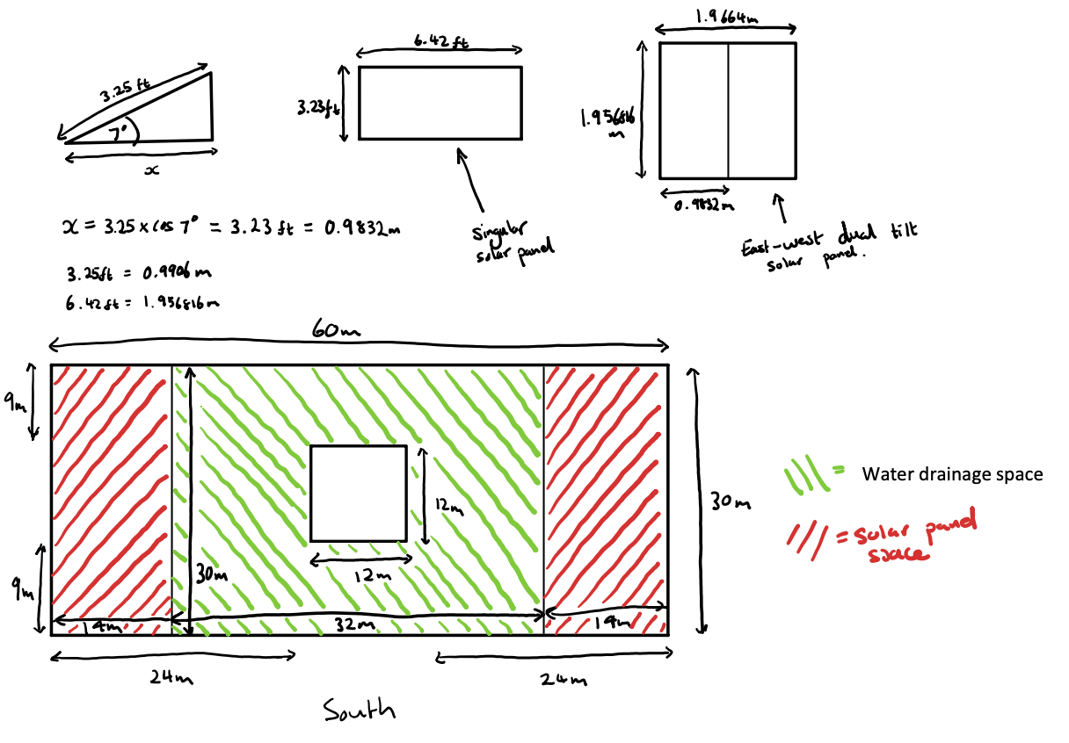

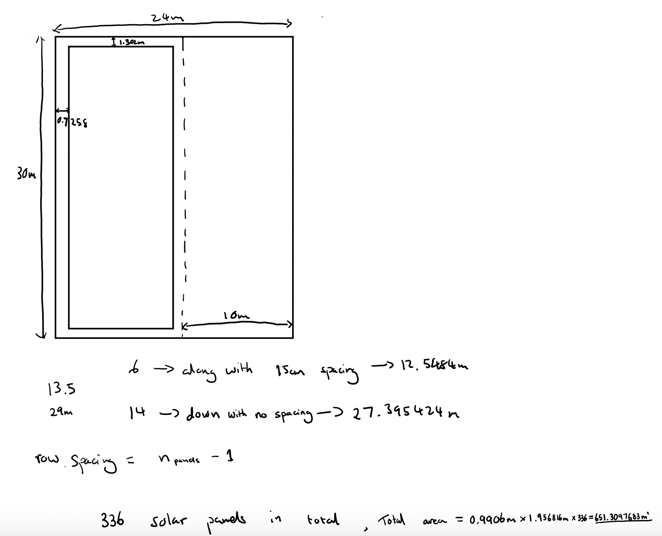

Power Generation from the Solar Panels:

